Historical data
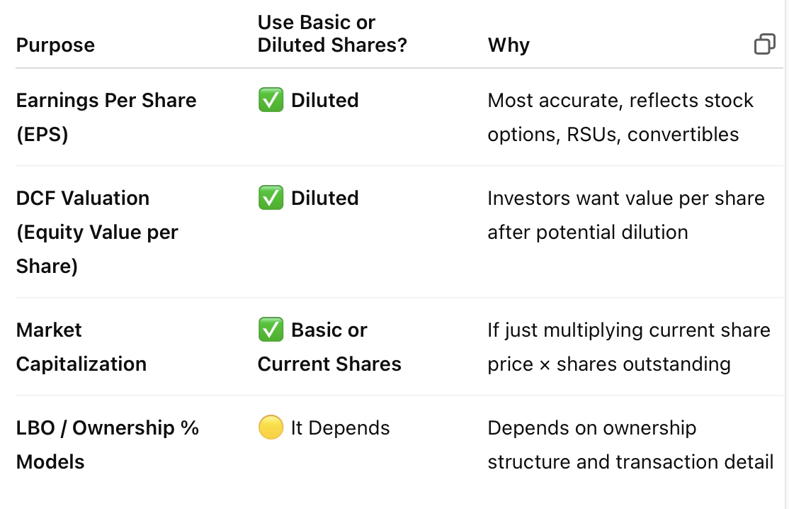
Years | SEP'15 | SEP'16 | SEP'17 | SEP'18 | SEP'19 | SEP'20 | SEP'21 | SEP'22 | SEP'23 | SEP'24
 |  |  |  | Historical Financial Statement
Sales | 19,149 | 21,311 | 22,384 | 24,720 | 26,502 | 23,513 | 29,059 | 32,228 | 35,952 | 36,148
Sales Growth |  | 11.29% | 5.03% | 10.44% | 7.21% | -11.28% | 23.59% | 10.91% | 11.55% | 0.55%

COGS | 14,585 | 16,041 | 17,039 | 19,105 | 20,773 | 20,316 | 22,462 | 25,919 | 28,136 | 28,490
COGS % Sales | 76.17% | 75.27% | 76.12% | 77.29% | 78.38% | 86.41% | 77.30% | 80.42% | 78.26% | 78.82%

Gross Profit | 4,564 | 5,270 | 5,345 | 5,615 | 5,729 | 3,196 | 6,597 | 6,309 | 7,816 | 7,658
Gross Margin | 23.83% | 24.73% | 23.88% | 22.71% | 21.62% | 13.59% | 22.70% | 19.58% | 21.74% | 21.18%

SG&A Expenses | 1,197 | 1,361 | 1,393 | 1,755 | 1,824 | 1,680 | 1,933 | 2,032 | 2,441 | 2,523
SG&A % Sales | 6.25% | 6.38% | 6.22% | 7.10% | 6.88% | 7.14% | 6.65% | 6.31% | 6.79% | 6.98%

EBITDA | 4,301 | 4,940 | 5,018 | 5,166 | 5,354 | 4,217 | 7,437 | 7,304 | 6,825 | 6,727
EBITDA Margins | 22.46% | 23.18% | 22.42% | 20.90% | 20.20% | 17.94% | 25.59% | 22.66% | 18.98% | 18.61%

Sales vs Net income
Interest | 74 | 86 | 97 | 175 | 340 | 458 | 497 | 497 | 551 | 597
Interest % Sales | 0.38% | 0.40% | 0.43% | 0.71% | 1.28% | 1.95% | 1.71% | 1.54% | 1.53% | 1.65%

D&A | 934 | 1,030 | 1,067 | 1,306 | 1,449 | 2,701 | 2,773 | 3,027 | 1,450 | 1,592
D&A % Sales | 4.88% | 4.83% | 4.77% | 5.28% | 5.47% | 11.49% | 9.54% | 9.39% | 4.03% | 4.41%

EBIT | 2,433 | 3,909 | 3,951 | 3,860 | 3,905 | 1,517 | 4,664 | 4,277 | 5,374 | 5,134
EBIT% Sales | 12.71% | 18.34% | 17.65% | 15.61% | 14.73% | 6.45% | 16.05% | 13.27% | 14.95% | 14.20%

Pretax Income | 3,903 | 4,199 | 4,318 | 5,780 | 4,466 | 1,164 | 5,357 | 4,232 | 5,402 | 4,970
Tax Income | 1,144 | 1,380 | 1,433 | 1,262 | 872 | 240 | 1,157 | 949 | 1,277 | 1,207
Tax Rate | 29.30% | 32.86% | 33.18% | 21.83% | 19.52% | 20.59% | 21.59% | 22.41% | 23.64% | 24.29%

Net Profit | 2,759 | 2,819 | 2,885 | 4,518 | 3,595 | 925 | 4,200 | 3,283 | 4,125 | 3,762
Net Margins | 14.41% | 13.23% | 12.89% | 18.28% | 13.56% | 3.93% | 14.45% | 10.19% | 11.47% | 10.41%

Shares of Equity | 1,485.10 | 1,460.50 | 1,431.60 | 1,309.10 | 1,184.60 | 1,173.30 | 1,180.00 | 1,147.90 | 1,142.60 | 1,133.50

Earning per share | 1.82 | 1.90 | 1.97 | 3.24 | 2.92 | 0.79 | 3.54 | 2.83 | 3.58 | 3.31
EPS Growth % |  | 4.40% | 3.68% | 64.47% | -9.92% | -73.09% | 350.95% | -20.03% | 26.47% | -7.69%
Dividends | 950.464 | 1168.4 | 1431.6 | 1649.466 | 1705.824 | 1924.212 | 2124 | 2249.884 | 2422.312 | 2584.38
Dividend per share | 0.64 | 0.80 | 1.00 | 1.26 | 1.44 | 1.64 | 1.80 | 1.96 | 2.12 | 2.28
Dividend payout ratio | 34.45% | 41.45% | 49.62% | 36.51% | 47.46% | 208.09% | 50.57% | 68.52% | 58.73% | 68.69%
Retained Earning % | 65.55% | 58.55% | 50.38% | 63.49% | 52.54% | -108.09% | 49.43% | 31.48% | 41.27% | 31.31%

Total Current Asset | 3,971 | 4,758 | 5,283 | 12,494 | 5,654 | 7,806 | 9,756 | 7,019 | 7,303 | 6,847
Total Asset | 12,416 | 14,313 | 14,366 | 24,156 | 19,220 | 29,375 | 31,393 | 27,978 | 29,446 | 31,339
Total Current Liability | 3,648 | 4,547 | 4,221 | 5,684 | 6,169 | 7,347 | 8,151 | 9,152 | 9,345 | 9,070
Total Equity | 5,820 | 5,891 | 5,457 | 1,176 | -6,231 | -7,799 | -5,315 | -8,699 | -7,988 | -7,442
Inventory | 1,306 | 1,379 | 1,364 | 1,401 | 1,529 | 1,551 | 1,604 | 2,177 | 1,806 | 1,777
Total Debt | 2,348 | 3,585 | 3,992 | 9,498 | 11,235 | 25,327 | 23,605 | 23,805 | 24,600 | 25,803
Total Fixed Asset | 9,642 | 10,573 | 11,584 | 13,197 | 14,274 | 22,289 | 23,065 | 23,625 | 25,723 | 28,727

